Sheet1
Script No. | Test Case | Steps | Success criteria | Screenshots
1 | Go to home page <NEED TO ENSURE THAT THIS IS STILL WORKING FINE> | 1. Go to https://qa.homesquare.com/ 2. Wait for the page to load. Capture screenshot. | Home page is successfully displayed | 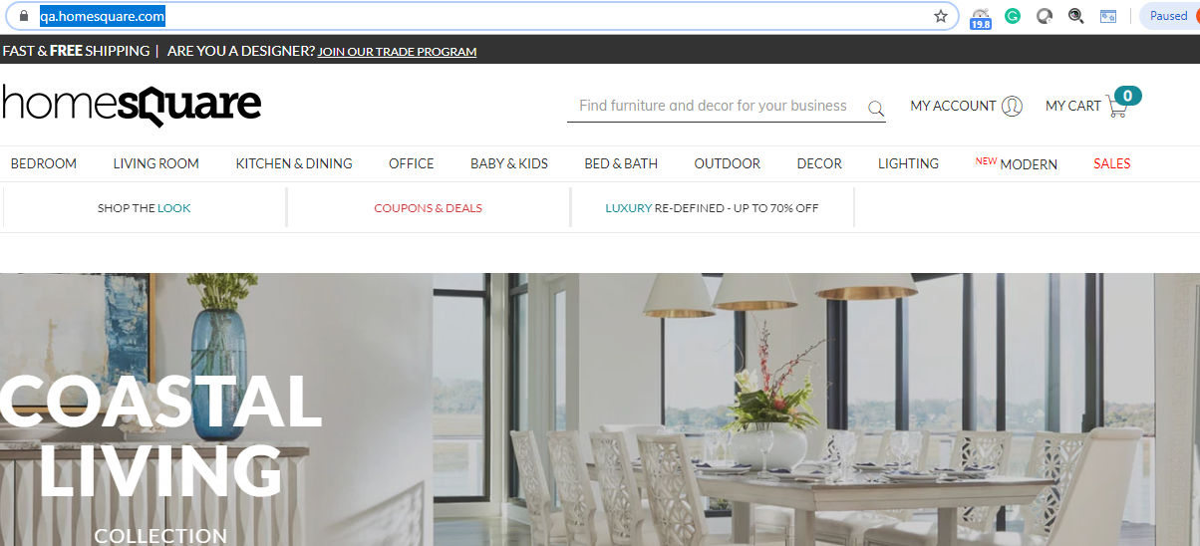
 |  | Exception Handling: 1. Any crashes, Page does not load | failure test case, capture screenshot, enter in log . Try total 3 times and then exit the test script
2 | Create New Account <NEED TO ENSURE THAT THIS IS STILL WORKING FINE> | 1. From Previous Test case , hover the mouse on My Account.Dropdown will display. Capture screenshot. 2.Click on Signup link. 3. Create my account page will show. 4. Enter the different fields.Capture Screenshot Notes: Use US Country, state and ZIP code 10 digit phone number Unique email address followed bydomain "@yopmail.com" in case of selected Payment type as Purchase Order every time Password can be same everytime: cymaxqa 5. Click on Register 6. After sucessful account creation, the user should be directed to their account page. Capture Screenshot | Customer is able to sucessfully create account | 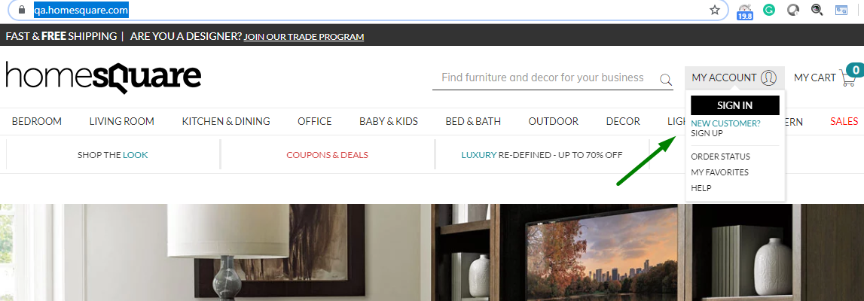 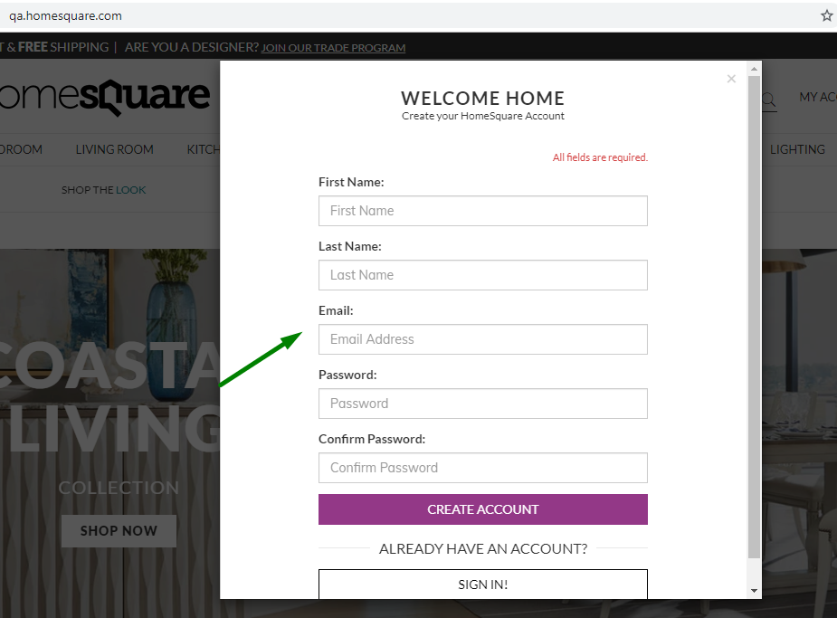 
 |  | Exception Handling: 1. Any crashes, Page does not load 2. Issue of validations in the sign up page fields | failure test case, capture screenshot, enter in log . Try total 3 times and then exit the test script
3 | Enhanced Functionality: Add Items to Cart <NEED TO ENSURE THAT THIS IS STILL WORKING FINE> | 1. From previous test case, click on Furniture>Bedroom>>Beds 2. Beds category Page will show. Capture Screenshot 3. Click on Bed Item: 1652636 4. Product Page will open. Capture Screenshot 5. Select Quantity 2 (if the quantity Dropdown exists) 6. Click on Add to Cart. 7. Apply Shipping on the product a) Check for shipping charges b) Tax value should be null(0) on Cart page 8. Cart page will show. capture Screenshot | The Selected product should be successfully added to the cart | 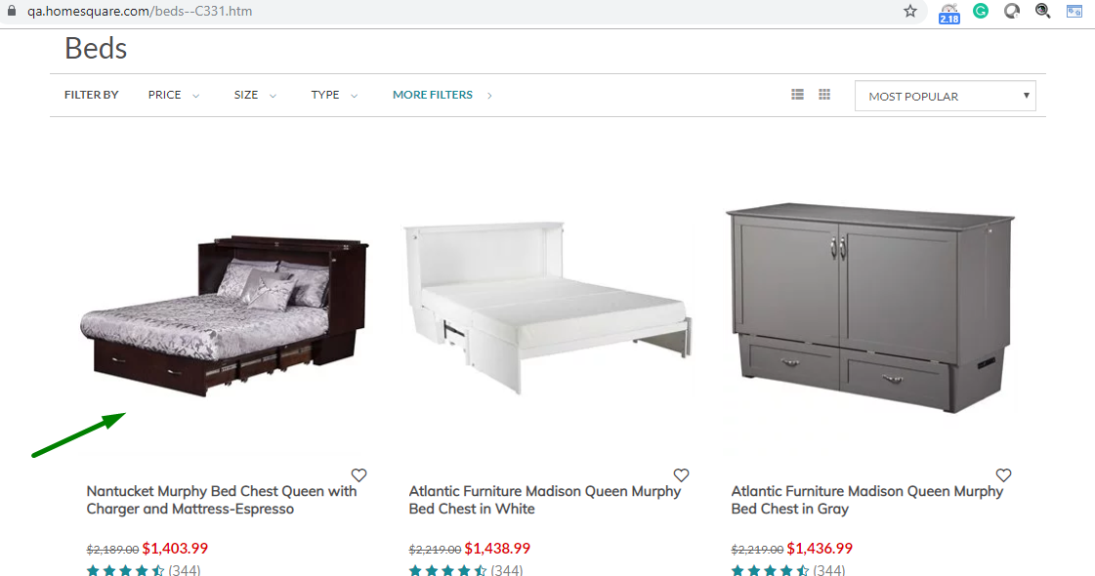 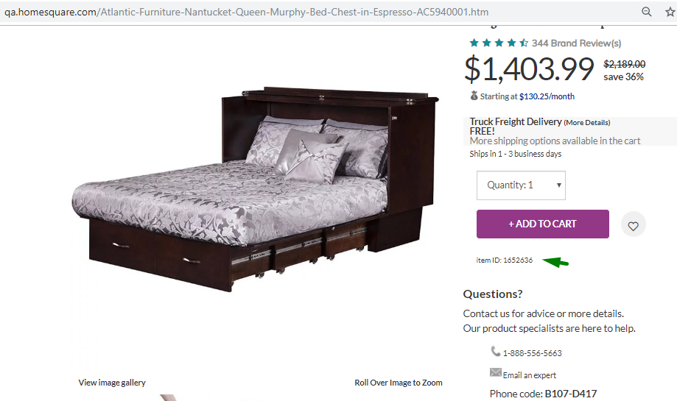 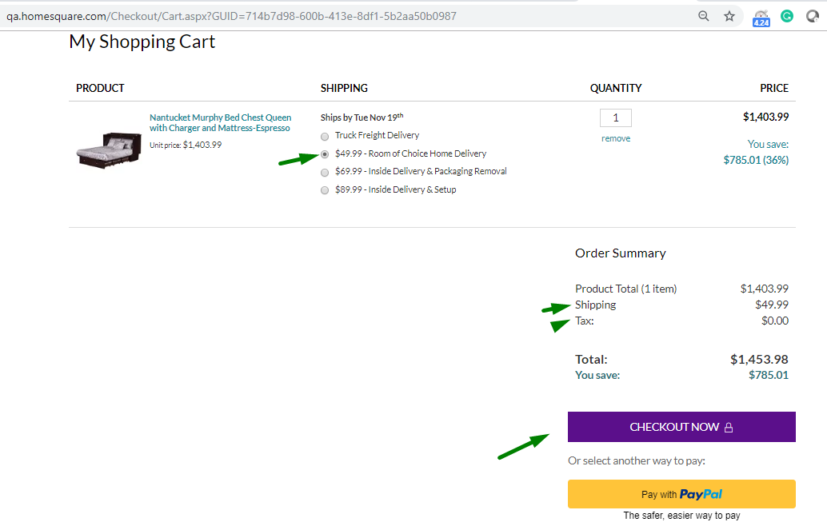
 |  | Exception Handling: 1. Any crashes, Page does not load | failure test case, capture screenshot, enter in log . Try total 3 times and then exit the test script
4 | Checkout via PO payment option | 1. From previous test case, click on checkout now button. 2. Customer will be directed to the shipping information page. Capture Screenshot 3. Select Business/commercial Radio button and enter Company name with selected industry on Shipping information page 4. Click on "Review order" button. 5. Customer will be redirected to Review Your Order page. Capture Screenshot. Vadidate Followings:- a) Product total amount b) Shipping c) Tax d) Total on Review Order page 6.. Click on 'Continue To Payment' button. 7. User will redirected to the Payment information page. Vadidate Followings:- a) Product total amount b) Shipping c) Tax d) Total on Payment information page 8. Select payment methos as PO . Capture screenshot. 9. Click on Place order button. | Customer should be able to checkout suceesfully. The billing address should be same as the address provided by user during account creation and should be auto populated | 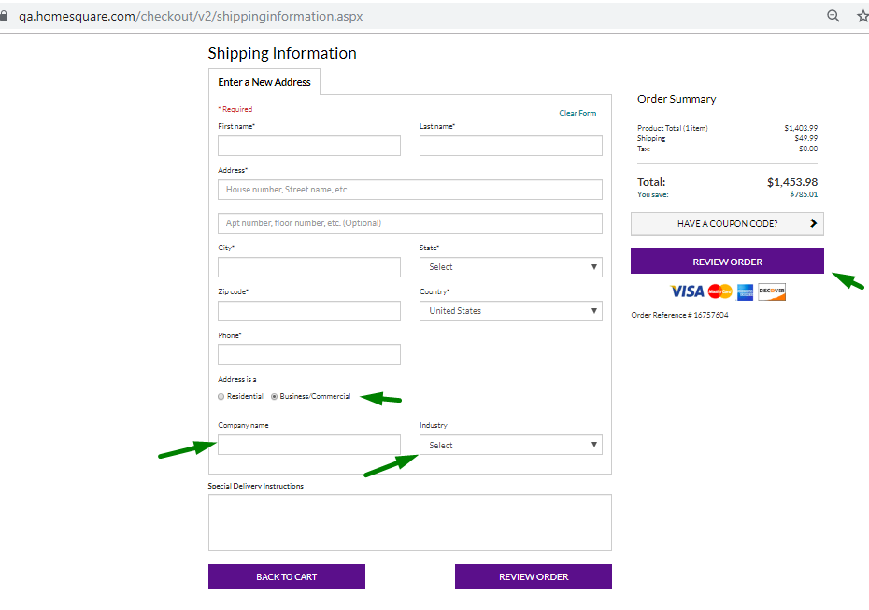 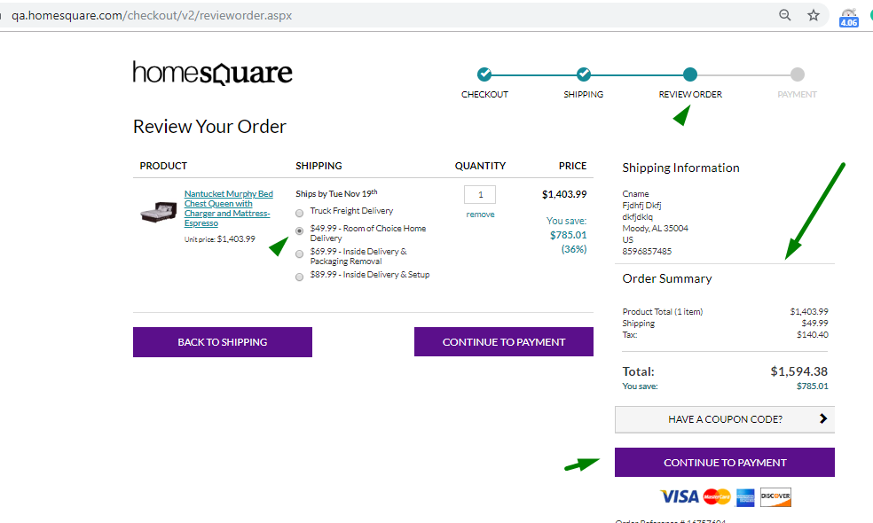 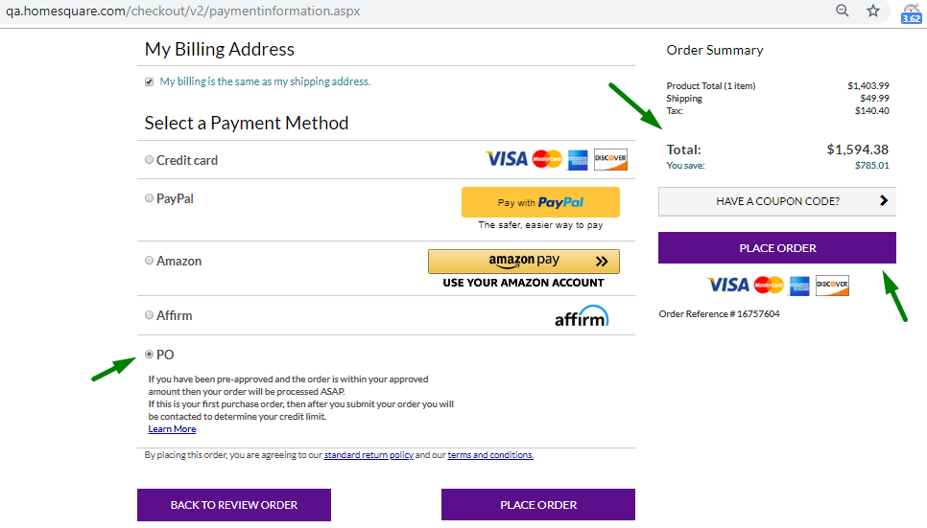
5 | Order Confirmation <NEED TO ENSURE THAT THIS IS STILL WORKING FINE> | 1. From previous test case, customer will see Order Confirmation page. Capture screenshot Vadidate Followings:- a) Product total amount b) Shipping c) Tax d) Total 2.Verify that order is sucessfully created. Store the order ID 3.Validate text "Thank you for your order!" 4. Click on Return To Homepage Button. capture screenshot 5. Click on My account>>order history link. 6. Verify that the order is showing in the Order History tab. Capture Screenshot Vadidate Followings:- a) Product total amount b) Shipping c) Tax d) Total On Order History Tab | failure test case, capture screenshot, enter in log . Try total 3 times and then exit the test script |  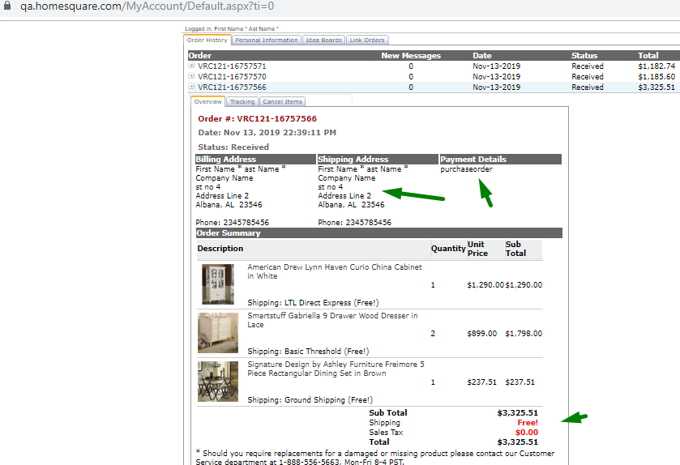
 |  | Exception Handling: 1. Any crashes, Page does not load
 | Email confirmatiion | 1. From previous test case, 2. Open URL; yopmail.com/en/ 3. Enter Username on to search box on the homepage 4. Click on Check Inbox button 5. Click on very first email and Vadidate Followings:- a) Product total amount b) Shipping c) Tax d) Total on order details e-Mail |  | 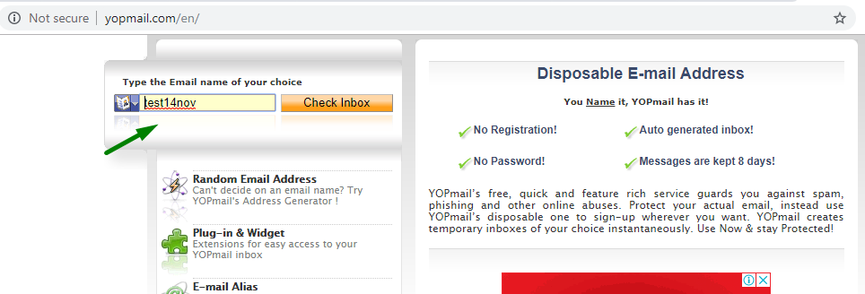
6 | Log Off <NEED TO ENSURE THAT THIS IS STILL WORKING FINE> | 1. From previous test case,click on Logout Link 2. Logout sucessful page will show 3. Close browser
 |  | Exception Handling: 1. Any crashes, Page does not load | failure test case, capture screenshot, enter in log . Try total 3 times and then exit the test script

